Overview
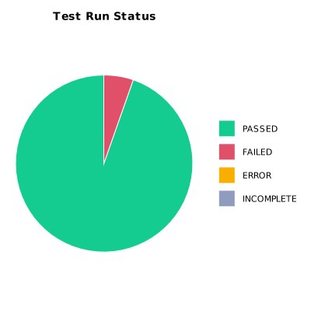
EXECUTION SUMMARY
Execution ID | 9
Status | FAILED
Organization | SCAE - Project
Team | Mercurio Systems
Project | SCAEW - Web Application
By | Juan Bernardo Camacho Tirado
Start Time | 12/08/2020 01:18:08 +00:00
Duration | 0:39:26.445

TEST RESULTS
Total test runs | 150
Passed | 142
Failed | 8
Error | 0
Incomplete | 0

